Sheet1
 |  | Document No. | Issue No. | Issue Date |  | Review and Replace Date |  |  | Authorised By
 |  | GFF255MC | 1 | 28.01.2021 |  | New issue
 |  | Document Title | 60 Indian Celebration 1700G
 |  |  |  |  |  |  |  |  | Magda Shah
Document amendments reason for change |  | New document | Page 1 of 1 |  | Previous Issue Date |  | New issue |  | Uncontrolled copy unless signed original

FINSC-B60B | BRAKES |  | 60 Indian Celebration 1700g | FROZEN
STEP 1 |  |  |  |  | STEP 2
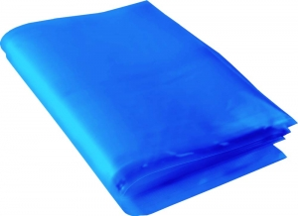 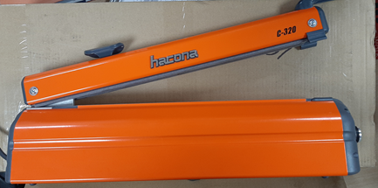 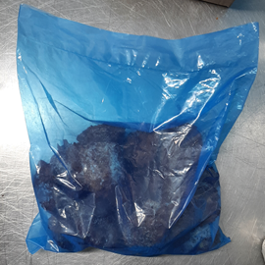 |  |  |  |  |  |  |  | 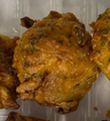
20 pieces in blue bag
3 BAGS
REQUIRED

USE HAND SEALER TO SEAL THE BAG

Blue Bag: 200 x 300mm x 45mu Blue Tint Freezer Bags (PKSEE002-01) |  |  |  |  |  |  |  | Vegetable Pakora 30g (GFF122R): 20 Pieces (600g)

20 pieces in blue bag
STEP 3 |  |  |  |  | STEP 4
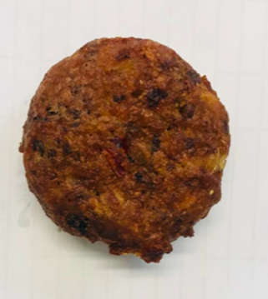 |  |  |  |  | 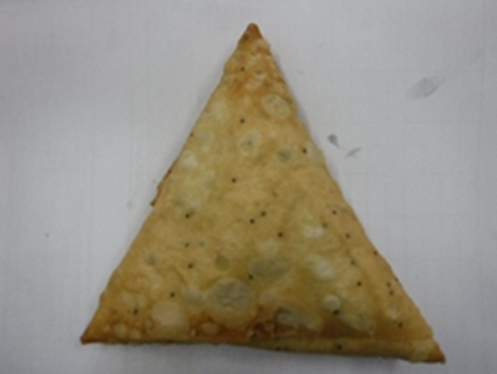

20 pieces in blue bag

FROZEN
PACK + 1 Year

Mushroom Bhaji 30g (GFF338R): 20 Pieces (600g) |  |  |  |  | Vegetable Samosa (Seeded Pastry) 25g (GFF239R): 20 Pieces (500g)
ALLERGY ALERT: WHEAT |  |  |  |  |  |  |  | TOTAL WEIGHT: 1700G

